TNF_BMDM lipid A 500ng
kon | koff | kt | kd | Objective function | kt/koff | kon/kd | burst size (moment) | frequency (moment)
0.013980193814 | 0.12812280371 | 17.448724015 | 0.012809577738 | 0.0063582671792 | 136.18749754 | 1.0913860004 | 112.65262442 | 2.1354025913
0.014542282632 | 0.095989173059 | 13.064220039 | 0.012743188421 | 0.0059012960287 | 136.10097496 | 1.1411808529 | 102.66772109 | 2.3491218805
0.014610360012 | 0.097829879855 | 13.291999311 | 0.013021727346 | 0.0059581821305 | 135.86850286 | 1.1219986123 | 102.34785906 | 2.331700944
0.015666224112 | 0.12125762623 | 16.452864942 | 0.014648053804 | 0.0063338979872 | 135.68519733 | 1.0695089137 | 104.07613213 | 2.2917584312
0.015258387629 | 0.11934629302 | 16.094829391 | 0.013911322049 | 0.0059708051008 | 134.85822629 | 1.0968323194 | 105.03330608 | 2.2895213298
0.014660317788 | 0.10484501687 | 14.126176887 | 0.01293116837 | 0.0058741463531 | 134.73388921 | 1.1337195038 | 103.94892504 | 2.3169514585
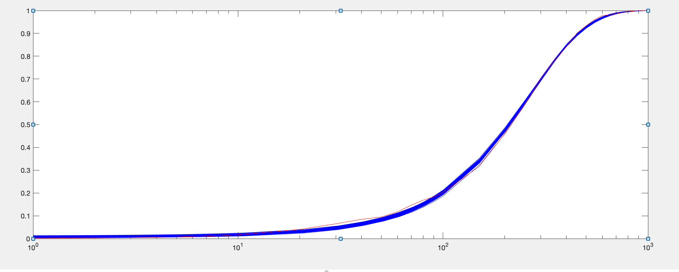
0.013918595509 | 0.10591203495 | 14.209772141 | 0.012183180343 | 0.005882077124 | 134.16579285 | 1.1424435261 | 106.96452759 | 2.2374951904
0.016084517833 | 0.18978869251 | 25.411244929 | 0.015470270729 | 0.0066826484158 | 133.89230197 | 1.0397050003 | 112.92761417 | 2.1376414602
0.016161835902 | 0.18073937142 | 24.061909474 | 0.015426362307 | 0.0066863622127 | 133.13042579 | 1.0476764113 | 111.11991854 | 2.1659343843
0.014725347733 | 0.15949884403 | 21.204194459 | 0.013580120485 | 0.0063682473694 | 132.94262155 | 1.0843311552 | 113.07571466 | 2.1311065248
0.01490742046 | 0.14445434455 | 18.966815777 | 0.013368479624 | 0.0061402302223 | 131.29972543 | 1.1151171172 | 109.38285423 | 2.2059320066
0.014607461939 | 0.14088995175 | 18.464934569 | 0.012968473117 | 0.0061248815705 | 131.05927243 | 1.1263825593 | 109.83266011 | 2.1960827482
0.014424581541 | 0.16496374144 | 21.596786662 | 0.013149044622 | 0.0066797471822 | 130.9183853 | 1.097006053 | 113.53549347 | 2.1073391308
0.015196688873 | 0.18500549494 | 23.798636448 | 0.013745053425 | 0.0064750374124 | 128.63745726 | 1.1056114809 | 112.07902828 | 2.1499713815
0.012338807573 | 0.079568753356 | 10.210770193 | 0.0089781065191 | 0.0061717759602 | 128.32638143 | 1.3743218068 | 106.24155147 | 2.2610284063
0.013571590877 | 0.14368403989 | 18.207794195 | 0.011357856564 | 0.0064724025176 | 126.72106247 | 1.194907754 | 112.28178238 | 2.1373518
0.012229506951 | 0.086941921202 | 10.916596682 | 0.0087425987288 | 0.0063763978807 | 125.56194447 | 1.3988411605 | 108.13956495 | 2.2191997968
0.014725399302 | 0.17535616968 | 21.94284402 | 0.012625655494 | 0.0063644332323 | 125.13300251 | 1.1663077065 | 110.8509212 | 2.1783883118
0.012975758438 | 0.11172746667 | 13.827817422 | 0.0099084044927 | 0.0062119875563 | 123.76381416 | 1.3095709251 | 108.52621283 | 2.205927766
0.01511853937 | 0.1814138784 | 22.41117453 | 0.012853984995 | 0.0064340219021 | 123.53616343 | 1.1761752776 | 109.25533449 | 2.2133606177
0.014221224747 | 0.1529949621 | 18.828952976 | 0.011704811408 | 0.0063168683377 | 123.06910449 | 1.2149896527 | 108.82362119 | 2.2036098483
0.015198877301 | 0.16144603768 | 19.804836415 | 0.01265602656 | 0.0064992396356 | 122.67155453 | 1.2009201489 | 106.22921964 | 2.2743388685
0.013500595115 | 0.1615322262 | 19.798628401 | 0.010920972016 | 0.0066497911682 | 122.56766879 | 1.236208196 | 112.74443859 | 2.1265839326
0.014266259845 | 0.17784610349 | 21.418913438 | 0.011468345179 | 0.0064225100368 | 120.43510101 | 1.2439684734 | 110.44566545 | 2.1900327249
0.013553290748 | 0.16812912497 | 20.054011797 | 0.010516669163 | 0.0064693287426 | 119.27744107 | 1.2887436638 | 111.79268255 | 2.1550120293
0.013038974824 | 0.10685154585 | 12.560446941 | 0.0091277196198 | 0.0062746533594 | 117.55044666 | 1.4285029961 | 104.54410275 | 2.2836671816
0.013997898542 | 0.10224979315 | 11.941348946 | 0.0096410690102 | 0.0066460600842 | 116.78604503 | 1.451903158 | 99.276551419 | 2.4497727821
0.012255141817 | 0.090724974406 | 10.582433822 | 0.0076234641126 | 0.0063810534572 | 116.64300697 | 1.6075555202 | 106.43731728 | 2.2736912832
0.01346564585 | 0.12293317117 | 14.28347817 | 0.0095648007779 | 0.0061759156576 | 116.18896701 | 1.4078333844 | 104.90041871 | 2.2902417141
0.014847916096 | 0.15263425321 | 17.715007703 | 0.011265044878 | 0.0066793343396 | 116.06181005 | 1.3180521033 | 103.08463238 | 2.3437175626
0.012385549218 | 0.10440646719 | 12.100815639 | 0.0080913449065 | 0.0062961018452 | 115.90101614 | 1.5307157661 | 107.61413596 | 2.2281988002
0.014862070373 | 0.1957760035 | 22.530867789 | 0.011449069215 | 0.0066778623871 | 115.08493066 | 1.298102937 | 106.9602182 | 2.2655088866
0.013987060787 | 0.17792010854 | 20.170706708 | 0.010274600916 | 0.0064063762642 | 113.36946045 | 1.3613239971 | 107.73185176 | 2.2331843684
0.012787341203 | 0.13605467987 | 15.368935758 | 0.0085832477417 | 0.0063458412519 | 112.96146353 | 1.4898021807 | 108.98902524 | 2.2019414905
0.014286609448 | 0.15793991721 | 17.809797211 | 0.010351522285 | 0.0065389662525 | 112.76311604 | 1.3801457462 | 104.14161668 | 2.3083867849
0.012949930253 | 0.11067495423 | 12.452485074 | 0.0083888816976 | 0.0062620963424 | 112.51402958 | 1.5437016184 | 103.95903634 | 2.3027135493
0.013705376505 | 0.12876271361 | 14.374035255 | 0.0093294686283 | 0.006518712103 | 111.631969 | 1.4690414912 | 102.44260654 | 2.3369525831
0.013672319487 | 0.17692091328 | 19.727718812 | 0.0095991914038 | 0.0063777387767 | 111.50586127 | 1.4243199153 | 108.38009367 | 2.2298490307
0.012232346926 | 0.11386771428 | 12.615429155 | 0.0074524560775 | 0.0064858792271 | 110.79022034 | 1.6413846386 | 108.20016518 | 2.2102160793
0.013582533392 | 0.18986726864 | 20.976402169 | 0.0094599801964 | 0.0064408142064 | 110.47929598 | 1.4357887765 | 109.28631957 | 2.2093883104
0.014071193809 | 0.18843660071 | 20.722178819 | 0.0099594989907 | 0.0065125153787 | 109.96896962 | 1.4128415317 | 106.51686294 | 2.2580662
0.013504432741 | 0.19169957297 | 20.979115607 | 0.0092142881726 | 0.0064924070528 | 109.43746656 | 1.4655969608 | 109.37905457 | 2.2114121189
0.014125649657 | 0.14685950377 | 16.058838783 | 0.0095407805817 | 0.0066050091418 | 109.34831162 | 1.4805549227 | 102.16208768 | 2.3604821322
0.014413652389 | 0.19370137939 | 21.117267941 | 0.010108112924 | 0.0066652800007 | 109.01970862 | 1.4259488885 | 105.32492009 | 2.2988627769
0.012879582963 | 0.16298663575 | 17.692337983 | 0.0083046358377 | 0.0064402415806 | 108.55085082 | 1.5508907572 | 109.56910263 | 2.1952883144
0.014146071704 | 0.16949684274 | 18.314458871 | 0.0095334503989 | 0.00660339407 | 108.05191751 | 1.4838354544 | 103.95948366 | 2.3272294594
0.014122015717 | 0.18182837565 | 19.616237659 | 0.00949277923 | 0.0066934492942 | 107.88325853 | 1.4876587114 | 105.31139897 | 2.3096738419
0.013513175878 | 0.198079295 | 20.791163435 | 0.0087296823541 | 0.0065136492808 | 104.96384004 | 1.5479573402 | 107.24058023 | 2.240501206
0.012891808894 | 0.17528596822 | 18.315017465 | 0.0077452369394 | 0.0065578911377 | 104.48650084 | 1.6644821837 | 109.14977791 | 2.2185497611
0.013752020782 | 0.19798845426 | 19.811249713 | 0.0081810951149 | 0.006674310412 | 100.06265157 | 1.6809510938 | 104.08942567 | 2.3210843925
0.013998407706 | 0.14826462117 | 17.684864491 | 0.01085401751 | 0.0064018027233 | 120.25097247 | 1.3241349269 | 107.47252319 | 2.2423874835
0.00097369168138 | 0.035144047733 | 3.8966741743 | 0.0021563369024 | 0.00022508519313 | 10.304343126 | 0.18447129596 | 3.4382601296 | 0.073398779123

IL1_BMDM_4var
kon | koff | kt | kd | burst | freq | noise
0.0062983924475 | 0.19552956367 | 11.941475453 | 0.0059754211506 | 75.131513246 | 1.0899036483 | 0.96430758363
0.0060674203902 | 0.18891377813 | 11.698661268 | 0.0056037001137 | 77.487345286 | 1.0596188088 | 0.97779039753
0.0062827056319 | 0.19217930414 | 11.796149572 | 0.0059333730442 | 75.549199728 | 1.089063077 | 0.96464368197
0.0059462749589 | 0.18966424775 | 12.582417212 | 0.0059656571582 | 81.580027821 | 1.029194981 | 0.99181206778
0.0061515095635 | 0.16882703256 | 10.185111071 | 0.0054416204011 | 75.269968638 | 1.0840493134 | 0.96689592062
0.0060102234544 | 0.12656117693 | 8.1615074359 | 0.0057603078611 | 76.629781801 | 1.0678528157 | 0.97408458848
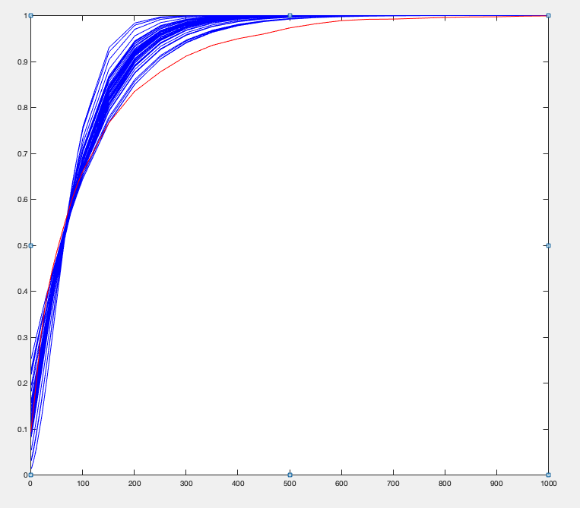
0.0059990840736 | 0.18177975319 | 11.05423565 | 0.0051323309656 | 77.75809531 | 1.0599199208 | 0.97762924554
0.0061713057378 | 0.18469993171 | 11.226681588 | 0.0052805023053 | 77.105275061 | 1.0870897467 | 0.96538815454
0.0060264298516 | 0.19427335809 | 11.399225505 | 0.0048485312346 | 76.651082386 | 1.0681689551 | 0.9739386416
0.0058543081017 | 0.19568445917 | 13.032731527 | 0.0055376319428 | 83.93287223 | 1.0217076779 | 0.99526644154
0.0061933133798 | 0.18571857288 | 10.084344284 | 0.0043525941781 | 72.613016517 | 1.1109601449 | 0.95534891778
0.0058037524225 | 0.15707821585 | 10.124661835 | 0.0050393555585 | 81.74458039 | 1.0332764773 | 0.98983891094
0.0063355415963 | 0.18456913524 | 9.8710226491 | 0.0044483730247 | 71.011139186 | 1.1354732177 | 0.94512928535
0.0064397409374 | 0.12974214 | 7.8269807322 | 0.0058563110384 | 71.238975216 | 1.1431472884 | 0.94193005203
0.0057990912965 | 0.13157409344 | 8.6235416626 | 0.0052060592823 | 80.741800851 | 1.0384608102 | 0.98744096483
0.0060262533874 | 0.19672954946 | 9.6672450028 | 0.0025958170497 | 73.984552359 | 1.1064608472 | 0.95716547568
0.006025974703 | 0.070200335925 | 4.6506104769 | 0.0054703416681 | 72.010990802 | 1.1301754226 | 0.94724795799
0.006474550472 | 0.19547977838 | 10.483705792 | 0.0048032776386 | 70.088170234 | 1.1504614818 | 0.93904082628
0.0065600371142 | 0.17166740025 | 9.7431143887 | 0.0057992226874 | 69.451714024 | 1.1481046197 | 0.94006652542
0.005667396619 | 0.19959023828 | 13.123159387 | 0.0051461886774 | 84.850504325 | 0.99597414938 | 1.0079763473
0.0065283565944 | 0.19485009989 | 10.320902821 | 0.0049040059424 | 68.810716937 | 1.1579990425 | 0.93610544896
0.006490705363 | 0.18508872838 | 9.6002301188 | 0.0044539396102 | 68.798866341 | 1.1638075883 | 0.93376766885
0.0056419753476 | 0.17195972281 | 11.490412965 | 0.0051254484476 | 85.209717365 | 0.99785266951 | 1.0070017975
0.0056189566604 | 0.19413663812 | 12.509135514 | 0.00476757928 | 84.731814467 | 0.9959963551 | 1.0079735302
0.0056076225958 | 0.18727555819 | 12.118279067 | 0.0046959763063 | 85.175067897 | 0.9966999136 | 1.0075863984
0.0055380890291 | 0.19511062657 | 13.764162158 | 0.0056692865967 | 88.473976362 | 0.96252239367 | 1.0250921732
0.0063911398493 | 0.13917547742 | 6.0710110449 | 0.0020011167329 | 66.001363692 | 1.1987693737 | 0.92033809931
0.00541256081 | 0.18070655322 | 10.527821869 | 0.0029494517075 | 85.305532007 | 0.9898581101 | 1.011053387
0.005277146807 | 0.14778729331 | 11.416769981 | 0.0059748595598 | 93.117399588 | 0.92121868925 | 1.0475221495
0.0068433502288 | 0.19827776851 | 10.362263003 | 0.0056351717885 | 65.306811824 | 1.1954310401 | 0.92169766601
0.00520649342 | 0.17018444074 | 12.616867512 | 0.0053588158047 | 93.57453023 | 0.91495337979 | 1.0510747096
0.0067351511551 | 0.11195371528 | 5.3088432182 | 0.0038975303604 | 61.047151776 | 1.2537323043 | 0.9005007707
0.0068673869263 | 0.18034611321 | 8.7470393109 | 0.0047943990781 | 62.815887519 | 1.2266923329 | 0.91015816651
0.0051429736391 | 0.19157938644 | 13.072635166 | 0.0040613241414 | 93.644983665 | 0.92233040223 | 1.0468586417
0.0069893398786 | 0.18546653387 | 9.3810813561 | 0.0055537456068 | 63.010340417 | 1.227720541 | 0.90975425222
0.0051854552642 | 0.066436328926 | 5.0247404442 | 0.0046263832111 | 86.681058134 | 0.98119103071 | 1.0154134383
0.0069213326838 | 0.15619338154 | 6.3913209755 | 0.002601492714 | 59.853654102 | 1.2877204774 | 0.88868493396
0.0048388868106 | 0.1409865792 | 11.765570036 | 0.0056386514648 | 102.20039554 | 0.85108356403 | 1.0893039578
0.0048001119306 | 0.1029916555 | 7.4671416891 | 0.003593504054 | 96.272187818 | 0.88888710758 | 1.0662131828
0.0071641514182 | 0.18909401288 | 8.1954826065 | 0.0039783389073 | 59.031935756 | 1.2980199253 | 0.88525686647
0.0046396990351 | 0.14042987753 | 12.645517095 | 0.0058532870053 | 109.2052331 | 0.81161649073 | 1.1151214282
0.0042865043112 | 0.16150084441 | 16.275685541 | 0.0059670433472 | 123.45220747 | 0.74204437103 | 1.1656044135
0.0042989056877 | 0.19068474467 | 13.743603732 | 0.0024144243179 | 110.75706057 | 0.78614586102 | 1.1329686968
0.0041963199957 | 0.17339234188 | 16.618588944 | 0.0048840385037 | 125.08272202 | 0.74112495802 | 1.1662651179
0.0041425830096 | 0.12943105988 | 13.470821043 | 0.0053613353471 | 128.89034624 | 0.73332154869 | 1.1723143743
0.0084674684207 | 0.19461392852 | 8.1785231114 | 0.0059040974429 | 51.195431974 | 1.4814043419 | 0.82974893046
0.0038736807612 | 0.079267056632 | 7.592088388 | 0.0030527382916 | 128.46279931 | 0.72719262615 | 1.1772595752
0.0099232695504 | 0.19736121399 | 6.2353943221 | 0.0043184214604 | 41.605531329 | 1.8056132934 | 0.75330450685
0.01014176543 | 0.11994735403 | 3.5768357182 | 0.0037828591425 | 37.565983049 | 1.9292847187 | 0.72972729338
0.012740265085 | 0.19199659449 | 5.2001062854 | 0.0057233928678 | 32.318046835 | 2.2840410315 | 0.67216093393
0.0061608990768 | 0.1661737539 | 10.139309151 | 0.0048347855204 | 79.648587175 | 1.1024667777 | 0.97717548992
0.0015331946335 | 0.035483221713 | 2.9212085829 | 0.0010504984527 | 20.935983008 | 0.28313296631 | 0.10227189658

IL1_BMDM+TSA 4var
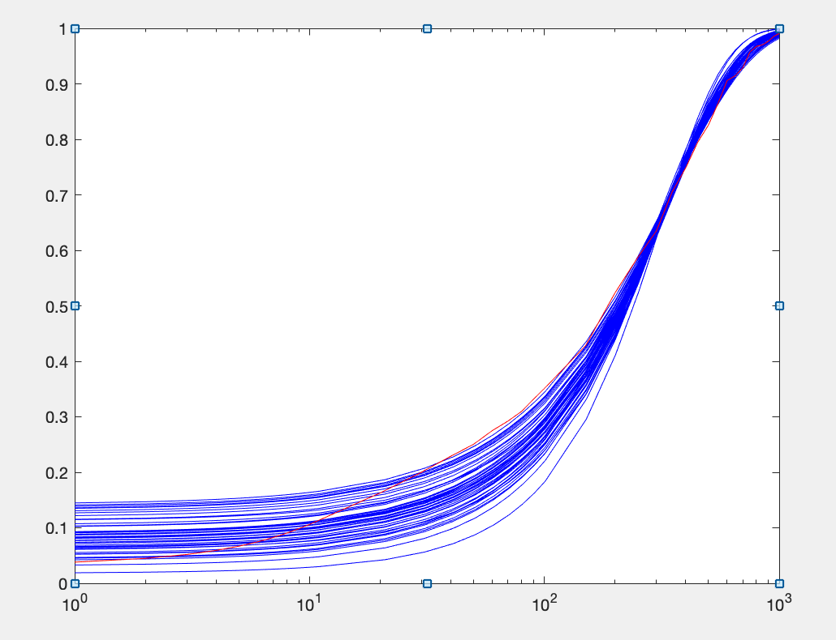
kon | koff | kt | kd | objective function
0.0063665692755 | 0.084833351943 | 17.007431972 | 0.0055630084653 | 0.024208796432
0.0066573403678 | 0.080784685401 | 16.167996608 | 0.0057882395573 | 0.024267228837
0.00684409485 | 0.095263522292 | 17.847102625 | 0.0055438688211 | 0.024351428299
0.0068436817994 | 0.080303987688 | 15.908974202 | 0.0058965992179 | 0.02441469922
0.0066742513823 | 0.11318090909 | 19.864026704 | 0.0046357717187 | 0.024526804427
0.0066823027064 | 0.080003961306 | 15.160520029 | 0.0051161794255 | 0.024791532896
0.0070529071896 | 0.11188882458 | 19.801492265 | 0.0051190183044 | 0.024833003862
0.0062515774122 | 0.11353219084 | 17.803617754 | 0.0021667674953 | 0.025317332265
0.0067202897416 | 0.077447108384 | 14.065451404 | 0.0044204131758 | 0.025339552562
0.0071952424592 | 0.1118513725 | 19.441763691 | 0.0051559268018 | 0.025353235055
0.0060470134199 | 0.076684265075 | 14.097129057 | 0.0033863294293 | 0.025370206394
0.006382181025 | 0.078358505838 | 14.025704079 | 0.0039072132572 | 0.025377091754
0.0070253287087 | 0.12998951833 | 19.508915447 | 0.0031186079224 | 0.025659471527
0.0069565983671 | 0.10791254692 | 17.223200689 | 0.0034913343254 | 0.025678866496
0.0068470565153 | 0.055613692631 | 11.578660826 | 0.0059041212356 | 0.025778615703
0.0069842802263 | 0.1329941673 | 19.05698218 | 0.0025254741732 | 0.025810072977
0.0067129660113 | 0.10083604001 | 15.340735654 | 0.00264883788 | 0.025869616404
0.00569415531 | 0.052790853268 | 12.02007826 | 0.0048567140347 | 0.025921662847
0.0055857636169 | 0.091008624745 | 18.333687798 | 0.0040010426039 | 0.026041948613
0.0055278660875 | 0.053992816855 | 12.992833263 | 0.0054874713326 | 0.02610244635
0.0056051067599 | 0.090672156865 | 16.506153062 | 0.0027613953687 | 0.026287774204
0.0071694815852 | 0.081847580717 | 14.455151154 | 0.0049778825279 | 0.026527485806
0.0054819372024 | 0.074836383478 | 16.311820986 | 0.004488182799 | 0.026626341177
0.0071638019625 | 0.067219989101 | 13.04557291 | 0.0056632909944 | 0.026652820436
0.0055996841917 | 0.040479928079 | 9.7975206341 | 0.0050798983213 | 0.026719686048
0.0073861598951 | 0.098802963808 | 17.112570606 | 0.005265077298 | 0.026803352246
0.0067941923745 | 0.058766530193 | 10.759675788 | 0.003949989569 | 0.026953254734
0.007307674842 | 0.07125679746 | 13.380844856 | 0.0057175475475 | 0.027167045412
0.0057742266365 | 0.042446316761 | 8.0623237404 | 0.0022333563516 | 0.027354190834
0.0054103603851 | 0.08004792347 | 19.214239315 | 0.0057735628737 | 0.027359181442
0.0058911799974 | 0.033164249208 | 8.3327379716 | 0.0056963561763 | 0.027514397653
0.0066930330216 | 0.040046712039 | 8.6859193528 | 0.005195547236 | 0.028172268761
0.0070163939596 | 0.047990892226 | 9.2477840087 | 0.004532390935 | 0.028788002153
0.0076803919546 | 0.099786855242 | 17.055329236 | 0.0054617371207 | 0.028792762511
0.0075242715803 | 0.066470330114 | 11.78517368 | 0.0052568455287 | 0.029658151985
0.0073113058871 | 0.050575026423 | 9.6754199044 | 0.0051728216402 | 0.029881054421
0.0076153055724 | 0.13917745473 | 18.050566584 | 0.0021962652598 | 0.029893335704
0.0077101082637 | 0.15903794178 | 19.821108369 | 0.0023876895488 | 0.031033230827
0.0078413455931 | 0.10435576625 | 15.986153739 | 0.0041853507171 | 0.03135579845
0.0060575667244 | 0.023959400488 | 5.9442998563 | 0.0042961998362 | 0.031670066569
0.0082681280487 | 0.12192696527 | 18.772423436 | 0.0053967492912 | 0.033474524298
0.0082536025367 | 0.11812276153 | 18.21863755 | 0.0052518762278 | 0.033507036705
0.0081241128092 | 0.16219532153 | 19.763984349 | 0.0028823277261 | 0.034625267098
0.0082862144195 | 0.078290610227 | 12.94699218 | 0.0055816994685 | 0.035316711735
0.0086194569823 | 0.096170969933 | 14.719592334 | 0.0054402089122 | 0.037656057957
0.0086957829145 | 0.10127760636 | 14.382393861 | 0.0045120204083 | 0.039242624992
0.0088895477368 | 0.14453615642 | 19.023907689 | 0.0043062971559 | 0.040016883477
0.0077835080292 | 0.02733884784 | 5.2959038941 | 0.0042460057792 | 0.040206042443
0.0096047317249 | 0.13654500407 | 18.281917901 | 0.005423854227 | 0.046076105155
0.011167455768 | 0.10190970608 | 11.053529944 | 0.0040010715507 | 0.062037382763
0.0070755507166 | 0.087770521853 | 14.858719068 | 0.0045213287515
0.0011392055649 | 0.033614235376 | 3.9344429898 | 0.0011314283151

IL1_BMDM_7var
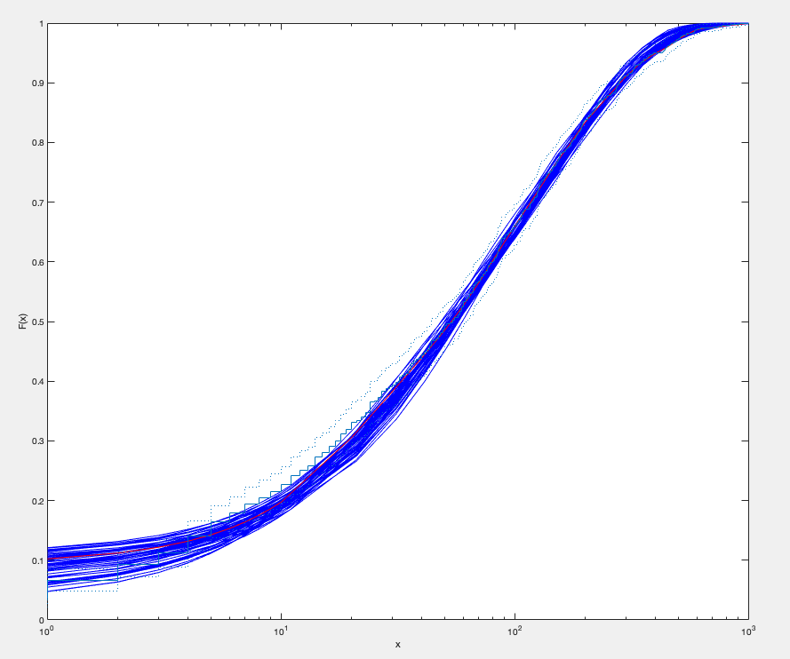
ko | k1 | k2 | k3 | u0 | u1 | kd | Objective function | burst | freq | noise
0.14540104689 | 0.047168789045 | 0.14495848987 | 0.0072779564176 | 4.2572704647 | 19.868702421 | 0.0059225543264 | 0.0033301473856 | 175.13412883 | 0.60923790711 | 1.2848427719
0.093044326483 | 0.060873406694 | 0.19314059143 | 0.0069327126271 | 5.7632213825 | 12.333959576 | 0.0047244516605 | 0.0034380456567 | 172.03408243 | 0.62443566642 | 1.2691766286
0.058052543222 | 0.051618391051 | 0.19103231981 | 0.0069378491638 | 5.4328575837 | 8.3176259007 | 0.0034463572165 | 0.0037893431943 | 172.75580973 | 0.62197166899 | 1.2716725921
0.058275333865 | 0.056016863228 | 0.18048407301 | 0.0069052534163 | 6.052183962 | 8.5776823531 | 0.0057572062372 | 0.0038079135234 | 163.0455266 | 0.65056002234 | 1.2436329917
0.1530721439 | 0.075164198816 | 0.18813863937 | 0.0070114555043 | 4.7509636476 | 15.898739083 | 0.0043125226944 | 0.0046322032322 | 162.90105527 | 0.65138476668 | 1.2428488366
0.073811413906 | 0.041700123889 | 0.15480182407 | 0.0072192491734 | 5.047117285 | 11.959746249 | 0.0059736704671 | 0.0048009988163 | 174.86915815 | 0.60820450083 | 1.285939448
0.098527262759 | 0.06386938413 | 0.14685041455 | 0.0072676965447 | 3.6325858705 | 10.591102085 | 0.0054170214406 | 0.0049886978324 | 152.95447119 | 0.67952612028 | 1.2170860063
0.082789263422 | 0.04274016433 | 0.14282847806 | 0.0073986405354 | 3.8258403266 | 12.441094336 | 0.0055003410236 | 0.0049928798562 | 177.99866427 | 0.591965387 | 1.3033925081
0.12226482395 | 0.051760617801 | 0.19415270735 | 0.0065171698034 | 7.2666251813 | 17.559202617 | 0.005096566863 | 0.0051317143662 | 175.09242236 | 0.60778334774 | 1.2863801887
0.10486762218 | 0.022671969725 | 0.093901363803 | 0.0065628272658 | 3.2556525002 | 15.261296249 | 0.0034064304052 | 0.005348854559 | 175.8465452 | 0.5994167938 | 1.2953106587
0.045378265764 | 0.050578255732 | 0.17741728361 | 0.006667269136 | 6.3792542819 | 7.8191663636 | 0.0057284175021 | 0.0053728210833 | 173.06643841 | 0.62342464047 | 1.2701831925
0.097701360925 | 0.038299041476 | 0.19565621904 | 0.0067416238717 | 6.3884144645 | 15.362868581 | 0.0030016218908 | 0.0054448796919 | 184.33778054 | 0.58318736462 | 1.3130375295
0.14878464336 | 0.049546943218 | 0.18036559246 | 0.0064635410159 | 5.3495679001 | 17.273240659 | 0.0022139861746 | 0.0054905728519 | 174.91577724 | 0.61290374973 | 1.28099921
0.1586358987 | 0.059391986172 | 0.13286950359 | 0.0070180732753 | 3.2887146686 | 15.045732539 | 0.004307997242 | 0.0056424752023 | 154.11441687 | 0.67704466111 | 1.2192841617
0.10073144692 | 0.066879897564 | 0.17605192305 | 0.0067046931127 | 5.0147009881 | 10.968851447 | 0.0042181576611 | 0.005947541666 | 159.36908275 | 0.6571183286 | 1.2374995379
0.10436481241 | 0.086334049309 | 0.1938902197 | 0.0070309765045 | 4.8536768511 | 10.930140751 | 0.0052117050903 | 0.0060751698246 | 156.24219539 | 0.66898687547 | 1.2265506293
0.12448722668 | 0.073779608022 | 0.15914361603 | 0.0073563354323 | 3.9136320121 | 11.534207281 | 0.0054256246705 | 0.0062097157138 | 140.75987002 | 0.71902201148 | 1.1835240614
0.19891992463 | 0.065580642556 | 0.137929766 | 0.0070455955984 | 2.6899059015 | 15.24157293 | 0.0022525735468 | 0.0063326772384 | 149.94502809 | 0.68832531533 | 1.2093615548
0.17059829798 | 0.077096617539 | 0.19582012097 | 0.0083704810685 | 3.2856067063 | 18.589810896 | 0.0050867468947 | 0.0063736377059 | 165.58651003 | 0.64310280749 | 1.2507633744
0.17927462964 | 0.033673708859 | 0.062212098099 | 0.0071314232577 | 1.5456390314 | 17.467038217 | 0.0053042736749 | 0.0064133736905 | 153.74321642 | 0.67981063238 | 1.2168107535
0.11785647176 | 0.052033110561 | 0.10606820298 | 0.0071728275703 | 2.3067045475 | 9.7845485925 | 0.0036032342954 | 0.0064461144719 | 139.07333848 | 0.72174669282 | 1.1813392289
0.16916580691 | 0.035649281748 | 0.13697395987 | 0.0063832736896 | 4.6061519622 | 19.884256984 | 0.002504739417 | 0.0064535065147 | 168.2905318 | 0.6343187318 | 1.2593324442
0.18874646071 | 0.042456130071 | 0.092388103524 | 0.0070480763129 | 2.5216559333 | 16.395785597 | 0.0043569558638 | 0.0066086741067 | 140.91851766 | 0.72319089175 | 1.1801031279
0.062901018172 | 0.041994185315 | 0.18531249607 | 0.0063228405655 | 6.7984126152 | 10.256755822 | 0.0035031925463 | 0.0066127577122 | 184.51703284 | 0.59212456187 | 1.3030872742
0.091568370507 | 0.02510283418 | 0.14886618676 | 0.0064511447871 | 6.9367652571 | 19.38672139 | 0.0059807304894 | 0.0069318496963 | 189.48228215 | 0.55811607532 | 1.3421058575
0.19376785164 | 0.062181926787 | 0.14097569713 | 0.0083759152559 | 2.0675260186 | 15.774367415 | 0.0033020777424 | 0.0072008582073 | 142.9585598 | 0.70848351009 | 1.1922282727
0.1226724167 | 0.053999153971 | 0.1785579621 | 0.0078771701471 | 3.7584710548 | 15.621107652 | 0.0038141588616 | 0.0074191104236 | 178.74999039 | 0.60876092953 | 1.2852713739
0.13974587637 | 0.035768217862 | 0.15052759779 | 0.0073070552793 | 3.603596672 | 18.561985981 | 0.0024627527459 | 0.0074661669858 | 182.93107215 | 0.57385289679 | 1.3237013485
0.18680213685 | 0.045237535951 | 0.15377085049 | 0.006177909749 | 4.7702473706 | 19.923122226 | 0.0020467239645 | 0.0077645012632 | 170.13002294 | 0.61823047741 | 1.2755718337
0.1686291029 | 0.017412726666 | 0.031259907459 | 0.0085457393389 | 0.56856402003 | 17.84767326 | 0.0050359705119 | 0.0078897823707 | 153.99412486 | 0.68184530574 | 1.2149873933
0.049179660395 | 0.07960213188 | 0.19566208433 | 0.0066171773302 | 4.8149373468 | 5.1200792032 | 0.0026162725278 | 0.007892352854 | 148.56676118 | 0.69963663475 | 1.199582949
0.021313198293 | 0.062077307835 | 0.16161156566 | 0.0076631525619 | 3.2529038903 | 3.397784983 | 0.004480804278 | 0.0079825826486 | 132.0560432 | 0.77187739209 | 1.1425532602
0.069760515306 | 0.067450594915 | 0.16374981471 | 0.0065204741759 | 4.6499598436 | 7.4932224572 | 0.0039710638483 | 0.008008194422 | 154.19937712 | 0.67490013003 | 1.2212175982
0.090937791529 | 0.040798832995 | 0.19241899294 | 0.0061007029518 | 9.3179248012 | 16.508469019 | 0.0059148454738 | 0.0080134122661 | 184.45684744 | 0.58286938776 | 1.3133933239
0.029645840097 | 0.03410458827 | 0.10808563306 | 0.007805141122 | 2.1385281467 | 5.0175921595 | 0.0036506137797 | 0.0081183726199 | 167.60140834 | 0.64137686068 | 1.2523994086
0.060408291035 | 0.078536883249 | 0.18568654706 | 0.0084478176787 | 2.8629998639 | 5.8614651397 | 0.0041041853823 | 0.0082461224578 | 134.02447324 | 0.74672715465 | 1.1615697895
0.13879167084 | 0.049475039241 | 0.12084272658 | 0.0087916642939 | 1.7534472429 | 15.639285692 | 0.0054429253395 | 0.0083524197741 | 164.15995665 | 0.6410319908 | 1.252815079
0.02702317249 | 0.019978935897 | 0.11054011837 | 0.0061739532441 | 5.1550504702 | 6.2560127255 | 0.0049099095735 | 0.0084756164548 | 163.47932254 | 0.63580243538 | 1.2579728592
0.071849561183 | 0.089543606224 | 0.17921913367 | 0.0080141786105 | 2.4225056629 | 5.4601379792 | 0.0025539847953 | 0.0086131133527 | 128.81210018 | 0.76186363768 | 1.1501479826
0.14564660272 | 0.07368821961 | 0.18817311042 | 0.0095835157165 | 2.3726129396 | 15.62582902 | 0.0056712465212 | 0.0091036379812 | 156.1710208 | 0.67258460148 | 1.2232675518
0.14497722176 | 0.036249273706 | 0.099176514589 | 0.0088861684859 | 1.2862999154 | 15.043570603 | 0.0028806216026 | 0.009292190799 | 167.53245346 | 0.63244777388 | 1.261210855
0.1969091316 | 0.080651384675 | 0.13681028564 | 0.0070461298247 | 2.7554384025 | 13.638857479 | 0.0040693219932 | 0.0095440192117 | 133.12942763 | 0.73067787698 | 1.1742870633
0.11945364841 | 0.04533676113 | 0.10706441697 | 0.0062769615572 | 3.7201686904 | 12.551896292 | 0.0047348368563 | 0.0096005209737 | 156.55498746 | 0.6677813219 | 1.2276493834
0.19882412081 | 0.068327208305 | 0.16967100871 | 0.0095349444015 | 1.8236200217 | 17.72170252 | 0.0037535743529 | 0.0096418734287 | 150.16527804 | 0.68918358819 | 1.2086023319
0.15419573877 | 0.035663108333 | 0.17944325293 | 0.0063502847516 | 7.4950981502 | 19.970744447 | 0.0039165138485 | 0.0098720252553 | 151.3272947 | 0.67665786256 | 1.2197059625
0.12374498452 | 0.019268510473 | 0.057751910139 | 0.0061222677821 | 2.4891271898 | 19.312845606 | 0.005952363238 | 0.0099158290861 | 183.60655929 | 0.57448170391 | 1.3229633357
0.19400896939 | 0.080708801814 | 0.14276139783 | 0.0068204250198 | 2.9468131051 | 11.719655923 | 0.0021937459713 | 0.010361855743 | 130.08449767 | 0.75669683292 | 1.1540238103
0.14440542494 | 0.08814944612 | 0.17852569079 | 0.0063627695505 | 5.2228305706 | 13.547514108 | 0.0048660588095 | 0.010543540483 | 157.13689023 | 0.6619862949 | 1.2329964189
0.16969728922 | 0.1092718689 | 0.18511569148 | 0.0067568043118 | 4.8188849304 | 13.345199883 | 0.0058794066142 | 0.010646585584 | 138.04523401 | 0.71476193837 | 1.1871293196
0.13205296294 | 0.051871609761 | 0.11535059364 | 0.0062835096663 | 3.2043837928 | 10.653697272 | 0.0021903269538 | 0.01067123299 | 148.38393932 | 0.69714661407 | 1.2017283506
0.12087327193 | 0.054746677512 | 0.15088013395 | 0.0071676163691 | 4.0887012288 | 13.407273359 | 0.0042534276976 | 0.0071450496646 | 160.30503051 | 0.65697149348 | 1.2406248285
0.050291335837 | 0.020619915217 | 0.040174841993 | 0.00087647597534 | 1.8201552829 | 4.5833781618 | 0.0012426506244 | 0.0020025957864 | 16.400366757 | 0.053366514086 | 0.049694856787

IL1_BMDM_TSA 7var
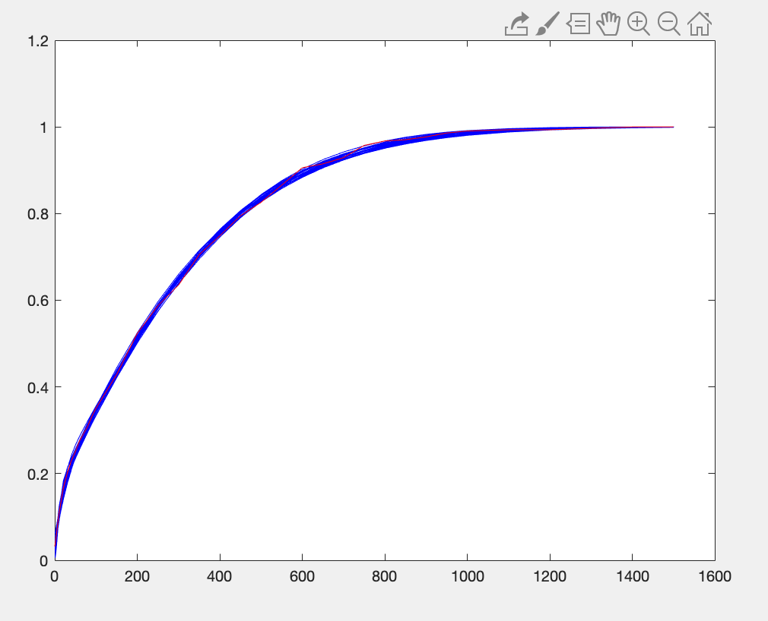
ko | k1 | k2 | k3 | u0 | u1 | kd | Objective function | burst | freq | noise
0.13764838343 | 0.061168302139 | 0.069330219559 | 0.010330274112 | 1.222175231 | 17.75146443 | 0.0038655111019 | 0.0040636416442 | 249.67291717 | 1.0474512969 | 0.97904928331
0.13764838343 | 0.061168302139 | 0.069330219559 | 0.010330274112 | 1.222175231 | 17.75146443 | 0.0038655111019 | 0.0040636416442 | 249.67291717 | 1.0474512969 | 0.97904928331
0.13764838343 | 0.061168302139 | 0.069330219559 | 0.010330274112 | 1.222175231 | 17.75146443 | 0.0038655111019 | 0.0040636416442 | 249.67291717 | 1.0474512969 | 0.97904928331
0.036225019838 | 0.11897073602 | 0.16702085752 | 0.0097179575637 | 4.3693795678 | 6.9806251224 | 0.0044891671344 | 0.004553211117 | 230.6499613 | 1.1322247006 | 0.94184013257
0.14681082196 | 0.11817614949 | 0.16833439069 | 0.011830151787 | 1.7154580918 | 17.872217232 | 0.0029029110161 | 0.0047352721362 | 251.00342627 | 1.0444952049 | 0.98042328975
0.14681082196 | 0.11817614949 | 0.16833439069 | 0.011830151787 | 1.7154580918 | 17.872217232 | 0.0029029110161 | 0.0047352721362 | 251.00342627 | 1.0444952049 | 0.98042328975
0.14681082196 | 0.11817614949 | 0.16833439069 | 0.011830151787 | 1.7154580918 | 17.872217232 | 0.0029029110161 | 0.0047352721362 | 251.00342627 | 1.0444952049 | 0.98042328975
0.13677074117 | 0.11115999403 | 0.15241930566 | 0.010680813595 | 2.4630140986 | 18.253903812 | 0.0036365480277 | 0.0049475286651 | 262.27519725 | 1.0067498419 | 0.99854751216
0.13677074117 | 0.11115999403 | 0.15241930566 | 0.010680813595 | 2.4630140986 | 18.253903812 | 0.0036365480277 | 0.0049475286651 | 262.27519725 | 1.0067498419 | 0.99854751216
0.13677074117 | 0.11115999403 | 0.15241930566 | 0.010680813595 | 2.4630140986 | 18.253903812 | 0.0036365480277 | 0.0049475286651 | 262.27519725 | 1.0067498419 | 0.99854751216
0.10436837546 | 0.10789728622 | 0.15726668258 | 0.012445395511 | 1.5851243184 | 15.58016404 | 0.005163127346 | 0.0051454036689 | 247.36505991 | 1.0605398806 | 0.97300734394
0.080608426458 | 0.10063675572 | 0.13739018583 | 0.011769276237 | 1.4576229986 | 10.951166971 | 0.0037293765228 | 0.0052015952067 | 232.67279816 | 1.1009548305 | 0.95510371359
0.080608426458 | 0.10063675572 | 0.13739018583 | 0.011769276237 | 1.4576229986 | 10.951166971 | 0.0037293765228 | 0.0052015952067 | 232.67279816 | 1.1009548305 | 0.95510371359
0.080608426458 | 0.10063675572 | 0.13739018583 | 0.011769276237 | 1.4576229986 | 10.951166971 | 0.0037293765228 | 0.0052015952067 | 232.67279816 | 1.1009548305 | 0.95510371359
0.062811656387 | 0.15827705199 | 0.17838885505 | 0.010147359326 | 3.3538626299 | 9.5224367825 | 0.005549051424 | 0.0061181006015 | 231.93654643 | 1.1351703422 | 0.94060599328
0.062811656387 | 0.15827705199 | 0.17838885505 | 0.010147359326 | 3.3538626299 | 9.5224367825 | 0.005549051424 | 0.0061181006015 | 231.93654643 | 1.1351703422 | 0.94060599328
0.062811656387 | 0.15827705199 | 0.17838885505 | 0.010147359326 | 3.3538626299 | 9.5224367825 | 0.005549051424 | 0.0061181006015 | 231.93654643 | 1.1351703422 | 0.94060599328
0.080826678151 | 0.064723359718 | 0.11751678783 | 0.014247040839 | 0.85259199044 | 14.106202362 | 0.0048674627065 | 0.0061867753982 | 255.4850146 | 1.0324887097 | 0.9860727409
0.094875093544 | 0.075658683655 | 0.10708486876 | 0.010689716612 | 1.8380579579 | 13.301834506 | 0.0028406465642 | 0.0062347372629 | 259.1101316 | 1.0275913712 | 0.98839251283
0.093318917272 | 0.060343767376 | 0.10730561159 | 0.015063941762 | 0.68522456199 | 16.055469035 | 0.0056844535554 | 0.006383373514 | 247.67134611 | 1.0581992553 | 0.97408039963
0.093318917272 | 0.060343767376 | 0.10730561159 | 0.015063941762 | 0.68522456199 | 16.055469035 | 0.0056844535554 | 0.006383373514 | 247.67134611 | 1.0581992553 | 0.97408039963
0.093318917272 | 0.060343767376 | 0.10730561159 | 0.015063941762 | 0.68522456199 | 16.055469035 | 0.0056844535554 | 0.006383373514 | 247.67134611 | 1.0581992553 | 0.97408039963
0.04294776111 | 0.057991611693 | 0.096937576079 | 0.012086638512 | 1.2430846969 | 8.497524067 | 0.0042186702911 | 0.0068039110206 | 243.94261714 | 1.06915053 | 0.96910884818
0.16467290629 | 0.1500425416 | 0.18960156874 | 0.0092279393666 | 4.9795582827 | 18.670098608 | 0.0025368293796 | 0.0068510603252 | 262.26234372 | 1.0096564283 | 0.99710926668
0.16467290629 | 0.1500425416 | 0.18960156874 | 0.0092279393666 | 4.9795582827 | 18.670098608 | 0.0025368293796 | 0.0068510603252 | 262.26234372 | 1.0096564283 | 0.99710926668
0.16614308594 | 0.15403085108 | 0.16747502819 | 0.009113863469 | 4.5857478318 | 19.178230842 | 0.0042383401763 | 0.0068514419481 | 254.00727353 | 1.025782511 | 0.98930209322
0.16614308594 | 0.15403085108 | 0.16747502819 | 0.009113863469 | 4.5857478318 | 19.178230842 | 0.0042383401763 | 0.0068514419481 | 254.00727353 | 1.025782511 | 0.98930209322
0.16614308594 | 0.15403085108 | 0.16747502819 | 0.009113863469 | 4.5857478318 | 19.178230842 | 0.0042383401763 | 0.0068514419481 | 254.00727353 | 1.025782511 | 0.98930209322
0.081379950693 | 0.11818116041 | 0.12892565362 | 0.0087742823303 | 4.790356424 | 11.673352164 | 0.0054398138526 | 0.0069778255823 | 246.40734057 | 1.0704562409 | 0.96849768495
0.059036012562 | 0.097102284812 | 0.12220981173 | 0.011393501877 | 1.1910930616 | 7.8803045648 | 0.0028358774859 | 0.0071212058085 | 221.20298334 | 1.1586210311 | 0.93113614815
0.059931432447 | 0.04772692811 | 0.049260852128 | 0.0084230605943 | 1.8171022508 | 8.7698863551 | 0.0032977329944 | 0.007352073706 | 234.97788891 | 1.0918108143 | 0.95907461012
0.11160764605 | 0.16044738599 | 0.17048236855 | 0.010119790933 | 2.14718217 | 11.475591743 | 0.0021999192248 | 0.0074120553684 | 237.14694656 | 1.0983687211 | 0.95618851505
0.13752188143 | 0.15975380513 | 0.15877657194 | 0.0088731792129 | 4.2769509867 | 15.787413715 | 0.0043441415943 | 0.0074843409007 | 251.93027399 | 1.038433755 | 0.98327330978
0.13752188143 | 0.15975380513 | 0.15877657194 | 0.0088731792129 | 4.2769509867 | 15.787413715 | 0.0043441415943 | 0.0074843409007 | 251.93027399 | 1.038433755 | 0.98327330978
0.1335800643 | 0.17804916995 | 0.18397988597 | 0.010035986204 | 2.9672482899 | 14.118202641 | 0.0036493632326 | 0.0076193947879 | 234.14645252 | 1.1019419681 | 0.95466285166
0.1335800643 | 0.17804916995 | 0.18397988597 | 0.010035986204 | 2.9672482899 | 14.118202641 | 0.0036493632326 | 0.0076193947879 | 234.14645252 | 1.1019419681 | 0.95466285166
0.1335800643 | 0.17804916995 | 0.18397988597 | 0.010035986204 | 2.9672482899 | 14.118202641 | 0.0036493632326 | 0.0076193947879 | 234.14645252 | 1.1019419681 | 0.95466285166
0.087983024912 | 0.063631795268 | 0.15809994171 | 0.018192775004 | 0.67564777817 | 16.311861895 | 0.0049562140109 | 0.0076473267693 | 259.79766344 | 1.0177369743 | 0.99316102623
0.087983024912 | 0.063631795268 | 0.15809994171 | 0.018192775004 | 0.67564777817 | 16.311861895 | 0.0049562140109 | 0.0076473267693 | 259.79766344 | 1.0177369743 | 0.99316102623
0.087983024912 | 0.063631795268 | 0.15809994171 | 0.018192775004 | 0.67564777817 | 16.311861895 | 0.0049562140109 | 0.0076473267693 | 259.79766344 | 1.0177369743 | 0.99316102623
0.058207237704 | 0.11787021572 | 0.13900680202 | 0.0083342730678 | 6.6145764541 | 9.2944400746 | 0.0053640376884 | 0.0077677822084 | 242.59804615 | 1.0878616535 | 0.96074936553
0.11139815626 | 0.11278630474 | 0.16975325017 | 0.013134899838 | 1.0737205609 | 15.81283762 | 0.004579624302 | 0.0079733315223 | 245.94708036 | 1.0594782244 | 0.97350611659
0.11139815626 | 0.11278630474 | 0.16975325017 | 0.013134899838 | 1.0737205609 | 15.81283762 | 0.004579624302 | 0.0079733315223 | 245.94708036 | 1.0594782244 | 0.97350611659
0.11139815626 | 0.11278630474 | 0.16975325017 | 0.013134899838 | 1.0737205609 | 15.81283762 | 0.004579624302 | 0.0079733315223 | 245.94708036 | 1.0594782244 | 0.97350611659
0.15931476918 | 0.14869445715 | 0.1858773802 | 0.0089122141095 | 6.5924974943 | 19.794021349 | 0.0040245964399 | 0.0080467729006 | 262.33454359 | 1.0114000383 | 0.99624888452
0.075036024014 | 0.068297167152 | 0.17967884596 | 0.019524462422 | 0.65800132359 | 12.541382521 | 0.0038605947549 | 0.0083628839979 | 237.82377518 | 1.0851887034 | 0.96197182518
0.075036024014 | 0.068297167152 | 0.17967884596 | 0.019524462422 | 0.65800132359 | 12.541382521 | 0.0038605947549 | 0.0083628839979 | 237.82377518 | 1.0851887034 | 0.96197182518
0.075036024014 | 0.068297167152 | 0.17967884596 | 0.019524462422 | 0.65800132359 | 12.541382521 | 0.0038605947549 | 0.0083628839979 | 237.82377518 | 1.0851887034 | 0.96197182518
0.068007900073 | 0.056211133373 | 0.051408524299 | 0.0079733429137 | 2.3380001625 | 9.5350981003 | 0.0042960853056 | 0.0085118018015 | 234.84595694 | 1.1075451565 | 0.95223883672
0.11784135618 | 0.074517049643 | 0.1649678061 | 0.016298735659 | 0.9088567503 | 19.876502889 | 0.0048734173459 | 0.0085419233791 | 258.44933275 | 0.99779070099 | 1.0030488775
0.1075057343 | 0.10850513826 | 0.14742377628 | 0.011901791979 | 2.3474818405 | 14.615761866 | 0.004152569214 | 0.0065807590811 | 246.47528976 | 1.0618295475 | 0.97295223935
0.036690738055 | 0.040366189227 | 0.037648338628 | 0.0032230303065 | 1.6434580045 | 3.6570439884 | 0.00091812956792 | 0.0013328752306 | 10.968025586 | 0.040976357515 | 0.018504252752

